Mun Hoe
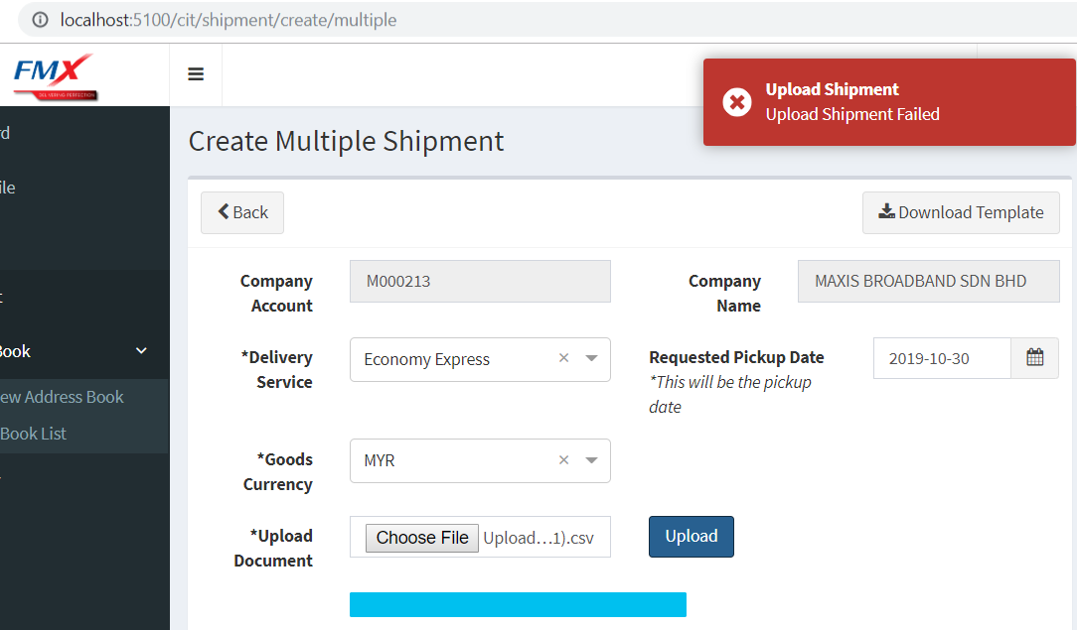
date : 24/10/2019
prepared by : africk

Company
api | api/company/list
error | don't recognise param "sort_combo"

UI | http://localhost:5100/cit/company/edit/f567d1ab-c9f1-4b0b-aa3e-b883cd8d0cde
error | API returns result, but not map into UI

api | api/company/details
error | expecting 5 parameters, but only userid receive
 | dict_data = ListCompanyView().get_list_ChildNSelf_Company(user_id)
 | "GET /api/company/details?id=f567d1ab-c9f1-4b0b-aa3e-b883cd8d0cde
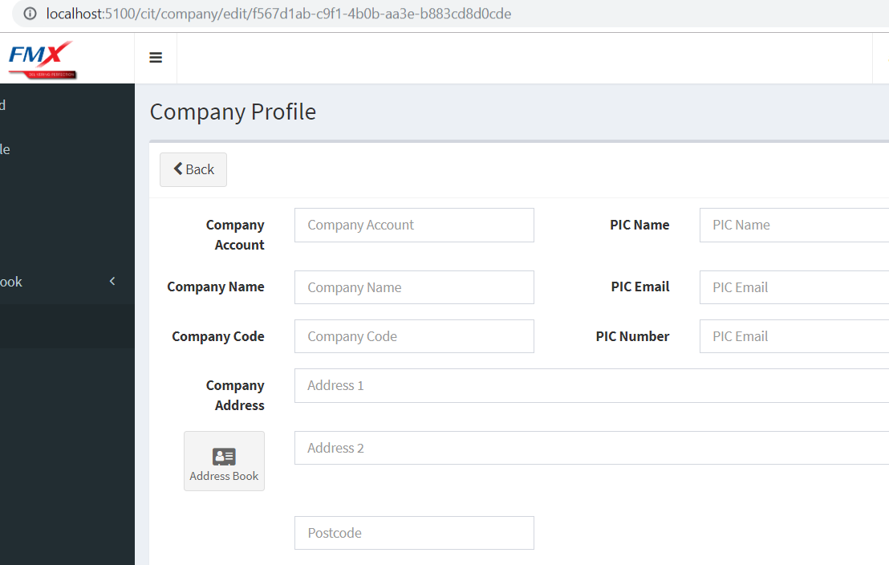

Search Company
api | ??
error | unable to search company

Company Details
api | api/company/details?id=644b2a26-de89-4c6c-a3fe-ea8e012c82d
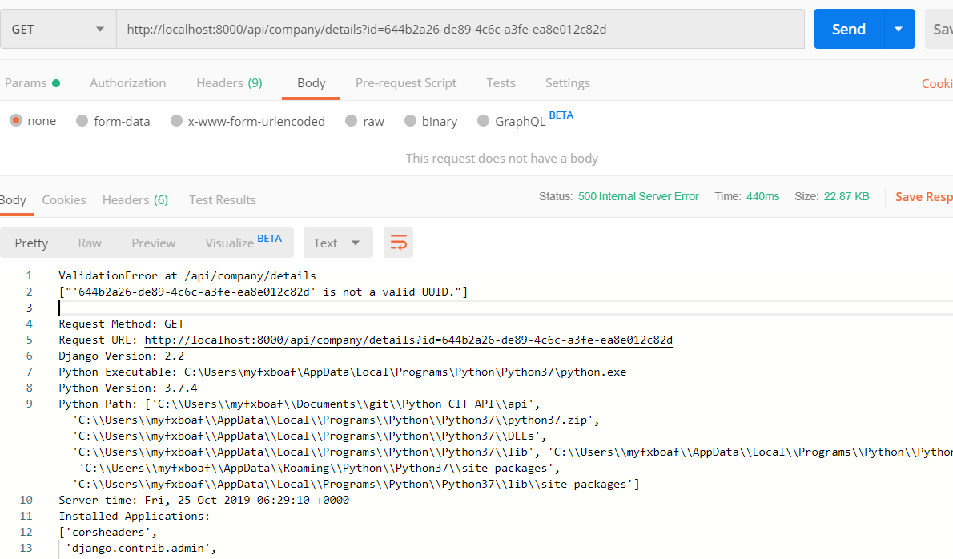

Address Book
api | api/address/list
error | address_id missing
 | "GET /api/address/list/?start=0&length=20&order=full_name&dir=&value=&private=0

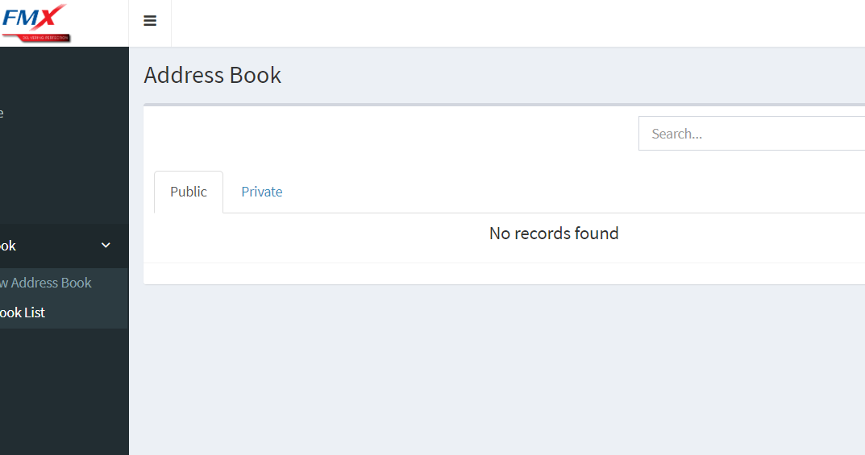

Shipment
api | api/shipment/create
error | insert or update on table \"cx_order_mast\" violates foreign key constraint \"cx_order_mast_fk\"\nDETAIL: Key (carton_box_code)=(XL) is not present in table \"cx_uom_mast\".\n"
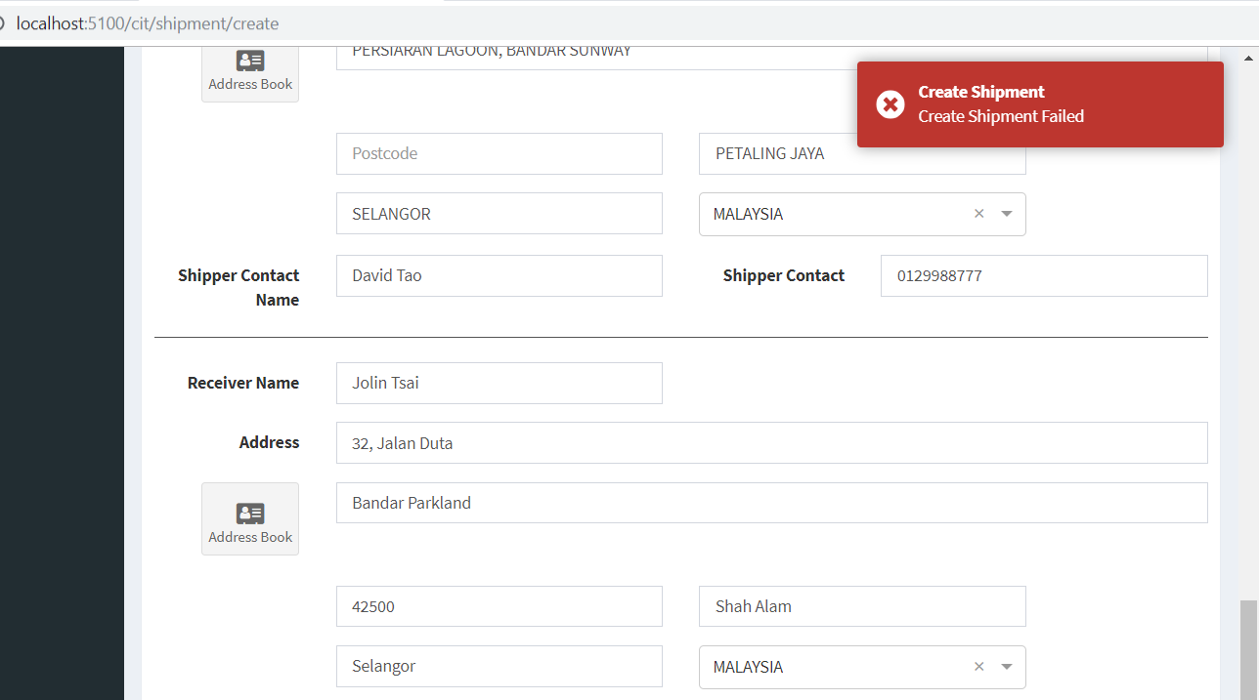
 | }

Search Shipment
api | api/shipment/list/?start=0&length=20&order=id&dir=&value=MYC0100045041
error | wildcard is found, but API returns "No Record Founds"

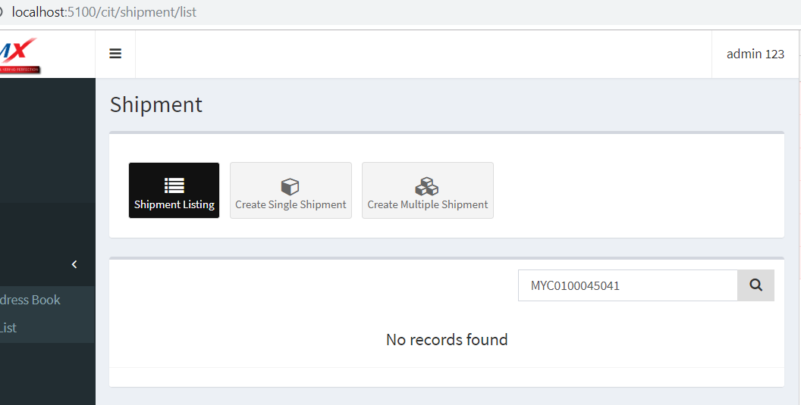

api | file/upload
error | MultiValueDictKeyError at /file/confirm_upload/'file'

